FIN Process
 |  |  |  | EXTRACTION |  | CONVERSION |  |  | FILE CREATION | FILE TRANSFER
AP Staging Table
AP InterfaceTable
Accounts Payables (AP)
Create File

General Ledger (GL)
GL Staging Table
GL InterfaceTable
GAIA
Create File
Inventory Accounting (IA)

Accounts Receivables (AR)
AR Staging Table
AR InterfaceTable
Create File

FTP FILE NAME | FROM_FLAG | TO_FLAG | AP |  | AR |  | GL
 |  |  | TIP GAIA Conversion Report |  | AR Sales Interface Import Report |  | GL Sequence | <- Payroll, Inventory, Liquidation
 | EXTRACTED | INTERFACED | Extraction |  | Extraction |  | Extraction
 | INTERFACED | TRANSFERRED | Conversion |  | Conversion |  | Conversion
UPDATE |  |  | Data File Creation |  | Data File Creation |  | Data File Creation
 |  |  | Data File Transfer |  | Data File Transfer |  | Data File Transfer

Accounts Payables.rev01
Web Application

New Request

for confirmation w/ portal
Canteen Server
HRMS Server

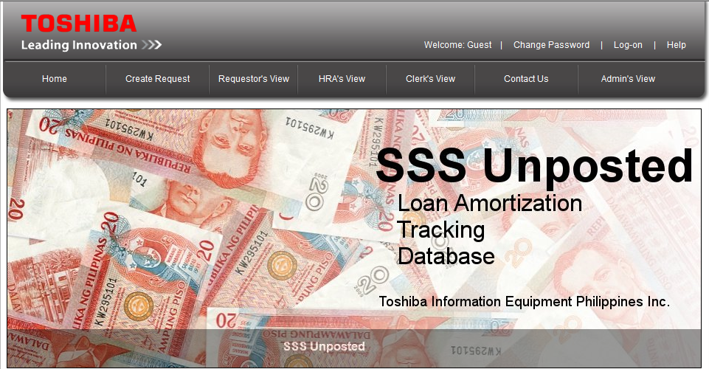
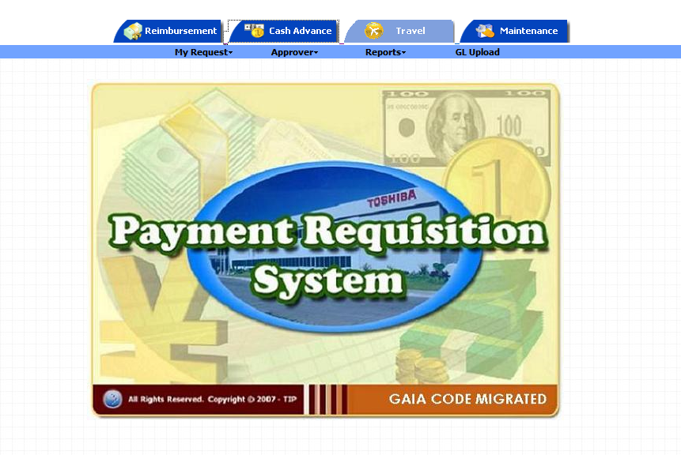

Canteen Transaction
HRMS Last Pay

GAC / Sir Warren
HRD / Sam

Approve Request

AP
ORACLE

AP_INVOICES_ALL
Run Payables Open Interface
TIP_LASTPAY_HEADERS_INTERFACE
Standard P.O process:
1. Manual invoice
2. Diretcho agad sa Standard table
3. Idividual P.O Matching - slow process
4. Mga Non-VMI

Transer to AP
AP_INVOICES_INTERFACE
Employee Data Uploading System
(Loans, Globe Billing)

AP Validation

Para itransfer lahat ng invoice from different systems galing AP_INVOICES_INTERFACE
Approve created invoice c/o FIA
IMP_BILL_INFO_ACC

AP Create Accounting
Create Invoice for payment in IMPEX system
Submit Auto Invoice

XX00IF Module

Run AP Extraction Program
IMP_BILL_INFO
Receiving Table (VMI Items)

Two types of VMI:
1. Direct - ginagamit directly sa production
2. Indirect - hindi gaanong ginagamit sa production

AP Staging Table
Run AP Data Conversion and Data Check Program
Upload Shipping Advise and Billing Info

Forwarders

AP Interface Table
Run AP File Creation Program
Run AP File Transfer Program

AP Interface Table
GAIA

SSS
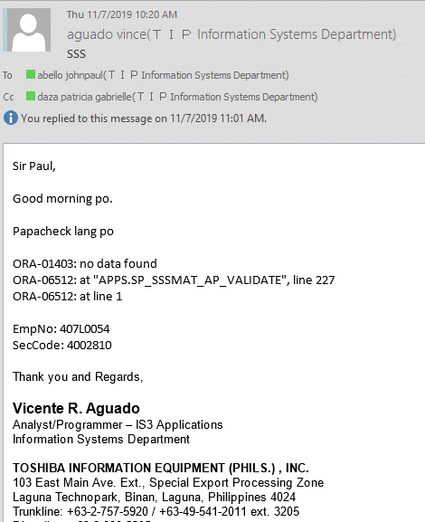

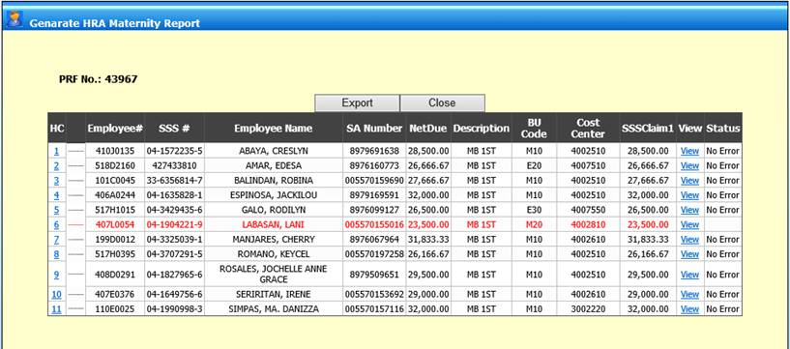

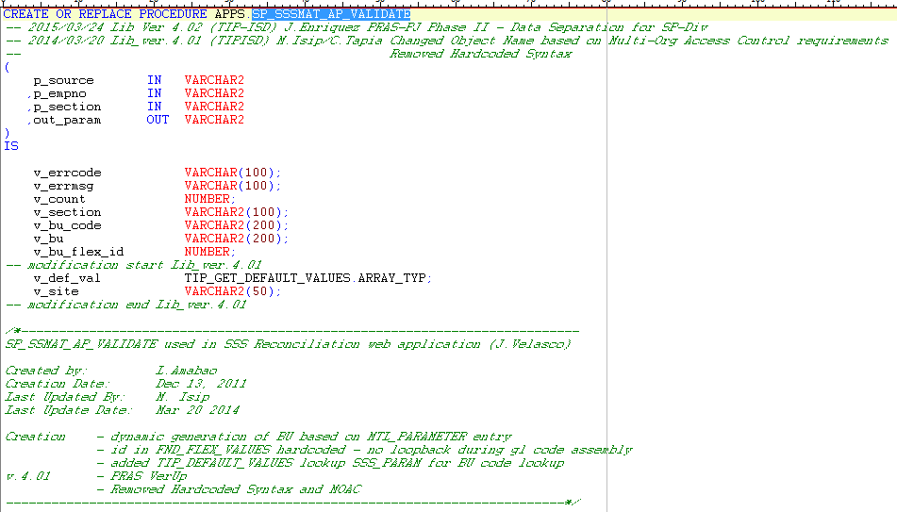

PRS
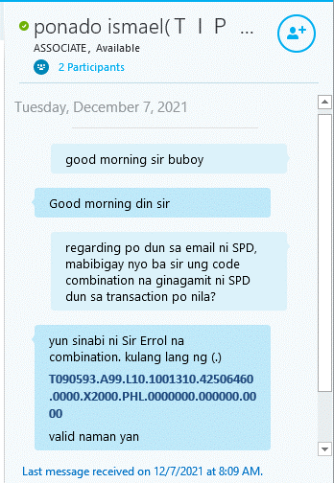
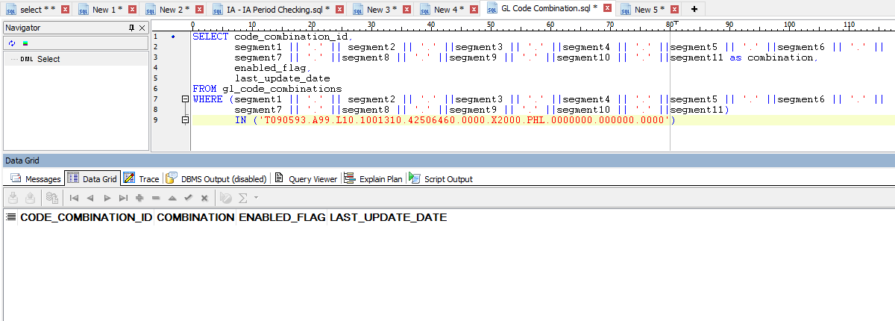
Hingin mo lang kay portal team ung script kung bakit nagerror papuntang PRAS

SELECT gcc.CODE_COMBINATION_ID, gcc.segment1, gcc.segment2, gcc.segment3,
gcc.segment4, gcc.segment5, gcc.segment6, gcc.segment7, gcc.segment8, gcc.segment9, gcc.segment10,
gcc.segment11 FROM per_all_people_f papf, per_all_assignments_f paaf, gl_code_combinations gcc, ap_suppliers aps
WHERE papf.person_id = paaf.person_id AND paaf.default_code_comb_id = gcc.code_combination_id
AND papf.employee_number = aps.segment1 AND paaf.effective_end_date = (SELECT MAX(effective_end_date)
FROM per_all_assignments_f
WHERE person_id = papf.person_id) AND papf.employee_number = 'T090593196D0008' | --employee number ni user
AND sysdate BETWEEN paaf.effective_start_date and paaf.effective_end_date
AND paaf.primary_flag = 'Y'

impex
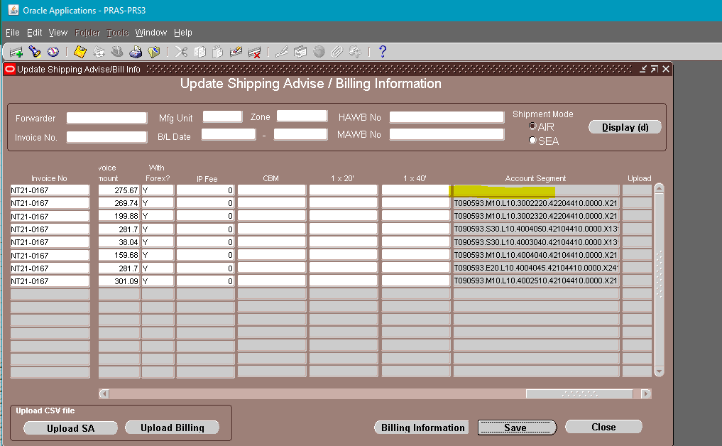

If existing sa GL_CODE_COMBINATION, check nyo dito sa TIP_DEFAULT_VALUES

select *
from apps.tip_default_values
where table_name = 'XXTIP_GL_CODE_COMBINATION'

Interface Program
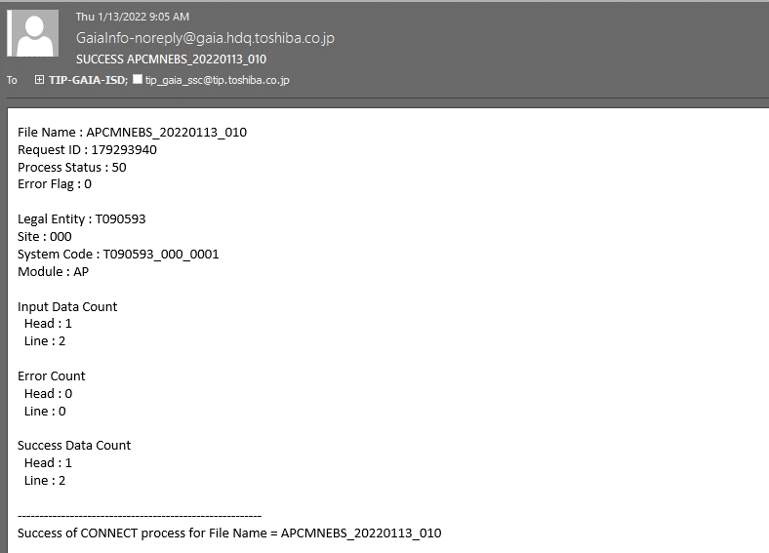
PROGRAM
1. EXTRACTION PROGRAM - Manual Run ni FIA

 | -ap_invoices_all papuntang xx00ifap_invoice_line_stg_all at xx00ifap_invoice_hdr_stg_all
 | -if success interface change ap_invoices_all.attribute11 = 'I' tapos status sa AP STG table ay EXTRACTED

2. CONVERSION PROGRAM - Manual run ni FIA

 | from STG table iinterface siya sa xx00ifap_invoice_hdr_if_all at xx00ifap_invoice_line_if_all
 | if success interface change status sa STG table from EXTRACED to INTERFACED meaning na insert na siya sa IF table.
 | Status kay IF table is INTERFACED

3. DATA FILE CREATION PROGRAM - Manual Run ni FIA

 | Magkakaroon ng laman ung xx00ifap_invoice_hdr_if_all.ftp_file_name at xx00ifap_invoice_line_if_all.ftp_file_name(system generate pagke-create ng FTP_FILE_NAME)
 | Status is same

4. DATA FILE TRANSFER - Manual Run ni FIA

 | Magiging TRANSFERRED na ung Status ng mga IF tables once okay
 | Then may mageemail na successfully interface na siya sa GAIA

